Impact Areas
IMPACT AREAS
The impact areas used in this tool are those listed and described in the Impact Radar (Positive Impact Initiative, UNEP FI, 2018). The diagramme below illustrates how the 22 impact areas interrelate, as well as how they can be related to the Sustainable Development Goals (SDGs).
Human needs & well-being
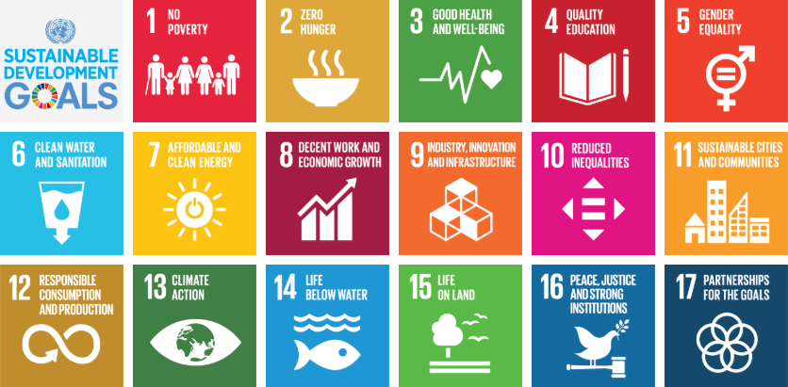

SOCIAL PILLAR

Security & integrity of person (SDG 1, 16)
Food (SDG 2)
Energy (SDG 7)
Housing (SDG 3, 11)
Health (SDG 3)
Mobility (SDG 9, 11)
Communication & information (9, 16, 17)
Education (SDG 4)
Culture & heritage (SDG 3, 11, 16)
Employment (SDG 8, 10))

Depend on:

Natural Capital
The Economy
ECONOMIC PILLAR
ENVIRONMENTAL PILLAR
Air (SDG 3, 13)
Water (SDG 3, 6, 14)
Soil (SDG 3, 15)
Ecosystems & biodiversity (SDG 14, 15)
Climate (SDG13)
Inclusive, healthy economies & economic convergence (SDG 1, 2, 3, 5, 8, 9, 10, 17))
Circular economy (‘waste’ and “resource efficiency & security”) (SDG 3, 6, 11, 12,14,15)

Enabled by:

Governance

Strong institutions, peace and stability (SDG 16, 17)
Justice & equality (SDG 5, 16, 17)

